Contact information
Bioresources physical and contract information |  | Severn Trent Water

Purpose | This spreadsheet provides information about water and sewerage company sewage sludge production sites (known as wastewater treatment works (WwTWs) and sludge treatment facilities (STCs). It is provided in line with guidelines published by Ofwat on its website. Its purpose is to facilitate conversations between companies and third parties to explore market opportunities. It does not include all information that may be defined within a contract. Companies are required to provide data under the columns marked mandatory. Any additional information can be provided on a voluntary basis. | The water and sewerage company areas in England and Wales
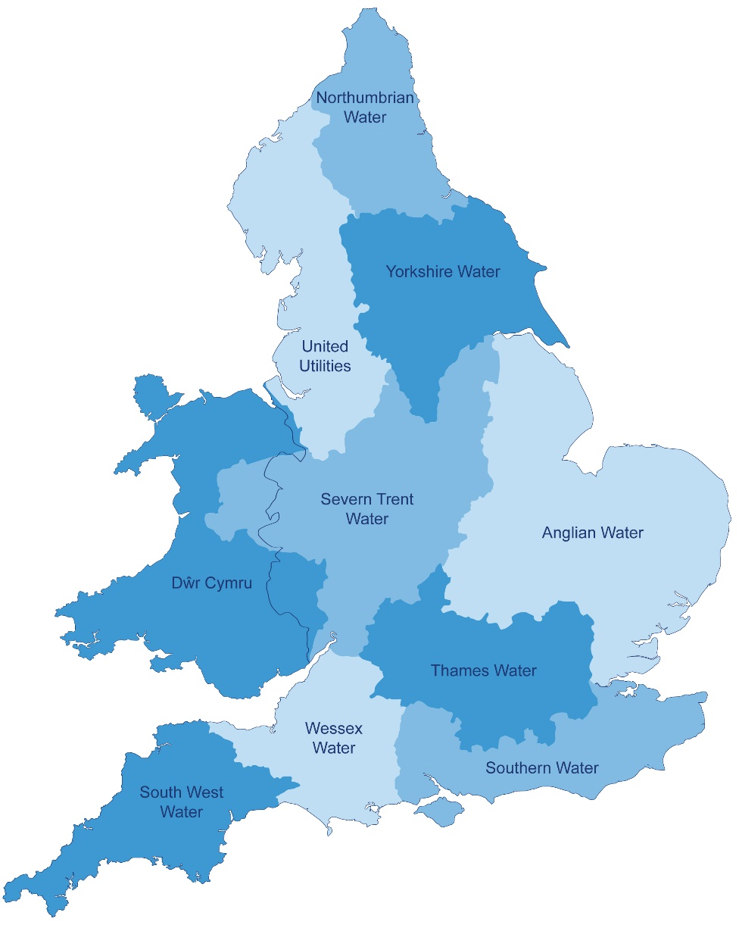
Water and Sewerage Company name | Severn Trent Water
Financial Year the data relates to | 2018-19
Date the spreadsheet was published | Jun-19
Contact details for anyone wanting to discuss commercial opportunities arising from this information | Leah Fry - Head of Bioresources (leah.fry@severntrent.co.uk) Simon Farris - Bioresources strategy manager (simon.farris@severntrent.co.uk) Adrew Lee - Bioresoruces commercial manager (andrew.lee@severntrent.co.uk)
Brief description of geographical boundary of data included here | See map - excludes element of region that is now Hafren Dyfrdwy. The overview of the region covered is provided on the Severn Trent plc website: https://www.hdcymru.co.uk/about-us/overview/

Brief description of level of data assurance | We utilised a three stage approach to assurance: • 1st Line assurance, typically performed by staff with technical knowledge in that area and a familiarity with the data being published • 2nd Line assurance performed staff with some technical knowledge and independent of the data provider and the 1st line assurance • Independent 3rd Line assurance undertaken by Internal Audit. • Reviewed by Severn Trent Disclosure Committee

Summary of significant changes since the most recently previously published version of the information and this version | We have included updated information for sites that have been: - upgraded to chemical dosing systems - installed / upgraded screens and grit traps - sites that have closed Sites that are now part of the Hafren Dyfrdwy business have been removed from this submission as if this was true for the full year despite Hafren Dyfrdwy only being operational from July 2019. This was done to make the data easier to form a view for the year ended 31 March 2020. We have also updated any changes for sludge data in our STCs to reflect the APR 2019 data.

 | Key: Input cell colour

Spreadsheet template version 2, October 2017

