Contact information
Bioresources physical and contract information |  | Company name

Purpose | This spreadsheet provides information about water and sewerage company sewage sludge production sites (known as wastewater treatment works (WwTWs) and sludge treatment facilities (STCs). It is provided in line with guidelines published by Ofwat on its website. Its purpose is to facilitate conversations between companies and third parties to explore market opportunities. It does not include all information that may be defined within a contract. Companies are required to provide data under the columns marked mandatory. Any additional information can be provided on a voluntary basis. | The water and sewerage company areas in England and Wales
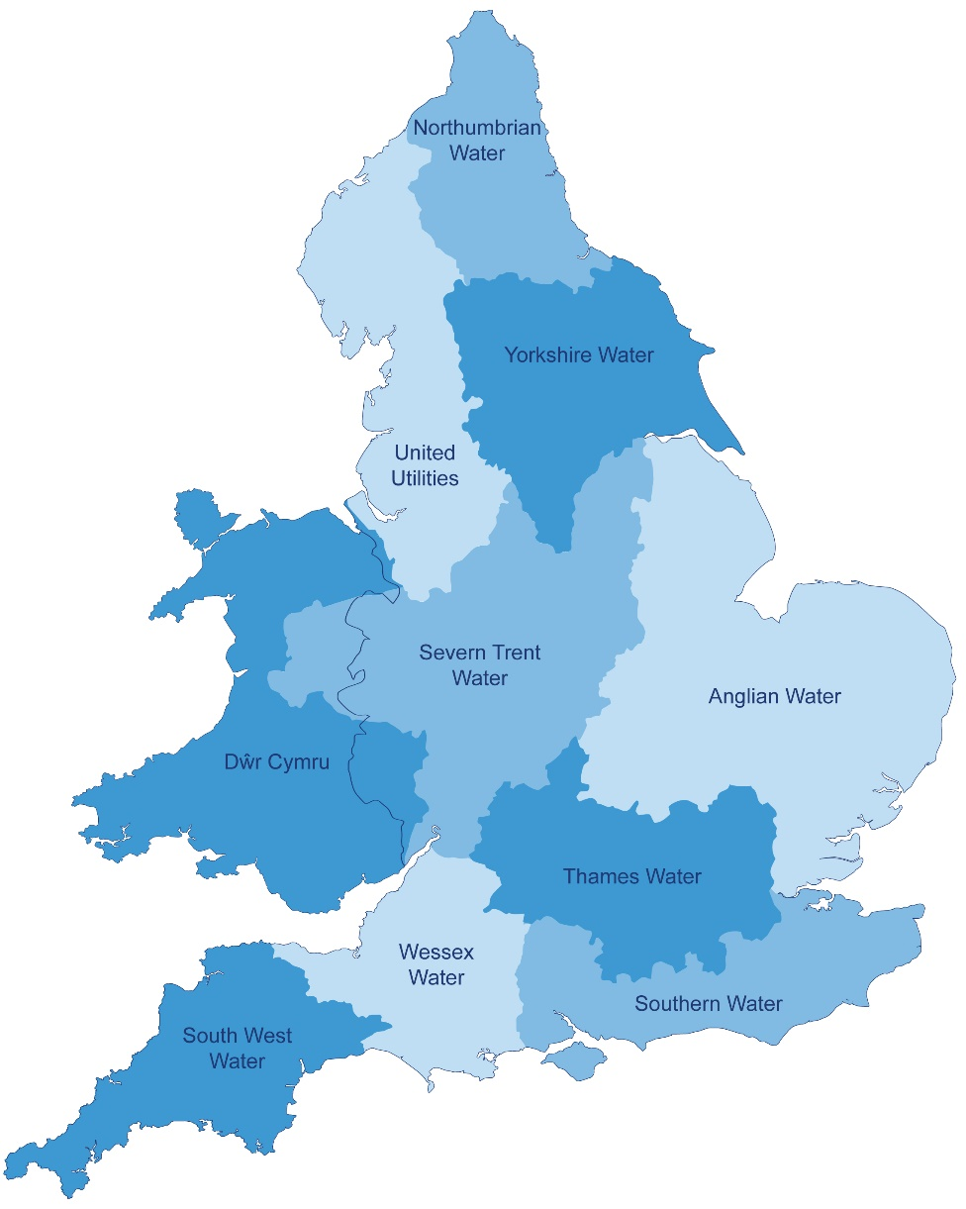
Water and Sewerage Company name | Severn Trent Water
Financial Year the data relates to | 2016-17
Date the spreadsheet was published | November 2016
Contact details for anyone wanting to discuss commercial opportunities arising from this information | Paul Baxter (paul.baxter@severntrent.co.uk), Head of Bioresources; or Robert Harvey (robert.harvey@severntrent.co.uk) Strategy Manager
Brief description of geographical boundary of data included here | See map

Brief description of level of data assurance | We utilised a three stage approach to assurance: • 1st Line assurance, typically performed by staff with technical knowledge in that area and a familiarity with the data being published • 2nd Line assurance performed staff with some technical knowledge and independent of the data provider and the 1st line assurance • Independent 3rd Line assurance undertaken by Internal Audit.

Summary of significant changes since the most recently previously published version of the information and this version | Not applicable - first publication

Additional explanatory narrative | We have included in the STC list all sites involved in the treatment or disposal of site and extended that definition to include sites considered as part of the sludge RCV calculation. In particular: • Buxton is a thickening site and so included in the RCV asset list. However it does not thicken to >10%. Accordingly, to avoid double counting, volumes are shown against the relevant STC. • Market Drayton is a dewatering plant, but sludge leaves the site at <10%. A total of 51 TDS passed through the site in 16/17 but this volume has been shown against the relevant STC. • Etwall farm is a storage area for digested cake from Claymills. The volumes of end product are shown against Claymills since this is where it is produced. Some sites produce liquid digestate that is then thickened into a cake product - the final product disposed to land. Accordingly, at column B1, we have shown the volume of final product for these sites as nil and included the volumes within the totals from the site that dewaters the liquid digestate. The total of column B1 equates to the total volume of sludge disposed of. However, to ensure full transparency we have then stated the volumes (in TDS) of liquid digestate at the producing site in column E. These volumes should NOT be added to those in column B1 as to do so would double count the liquid digestate produced. On the WwTW sheet, block D, column 4 shows the tanker collection needs and takes account of both raw sludge and liquid digested sludge

Spreadsheet template version 2, October 2017

